Argus the Unmaker
Mechanic Number | 45
Mechanic | NM Desc | HC Desc | M desc
Phase 1 (100%-70%)
Cone of Death | Each time argus reaches 100 energy, cone of death is cast and he will target random non tank player location, spawning cone of death fog
Soulblight orb | summons soulblight orb which periodically applies debuff to plays
Soulblight | Debuff applied by soulblight orb deals ticking damage over 8 seconds, when it expires player spawns a patch of death Fog
Tortured rage | Casted on a timer and deals flat burst of damage to entire raid
Sweeping scythe | large cleave in a semi circle in front of the boss which deals burst of PHYS damage and applies a debuff that makes the tank take 75% increased damage for 15 seconds. | Now applies 150% damage increase debuff | Now applies 250% damage increase debuff
Golgannneth's aid | During this phase golgannet will send out 2 orbs which buff players, BUFFS ARE EXCLUSIVE AND U CANNOT HAVE BOTH Example u have white and u run into blue, white one will disappear and vice versa, SAME BUFFS CAN STACK
Strength of the sea | Running into white orb grants this buff which increases haste and versatility by 2000 for 1 minute | LASTS FOR 30 SEC NOW
Strength of the sky | Running into blue orb grants 2k mastery and crit for 1 minute | LASTS FOR 30 SEC NOW
Sargeras Gaze |  |  | Applies 2 Debuffs on random NON TANK targets, 1 is Sargeras' rage and other one is Sargeras Fear. Initially only 1 of each is applied, however each time the ability is cast boss places one more of the debuffs out in the raid, this alternates between adding new sargeras' fear and adding new Sargeras' Rage, starting with adding Sargeras' Fear. First Sargeras Rage will ALWAYS be applied to a melee dps, it is not until two Sargeras rage are placed on the raid at once that ranged DPS/ Healers will be targeted by the spell. | 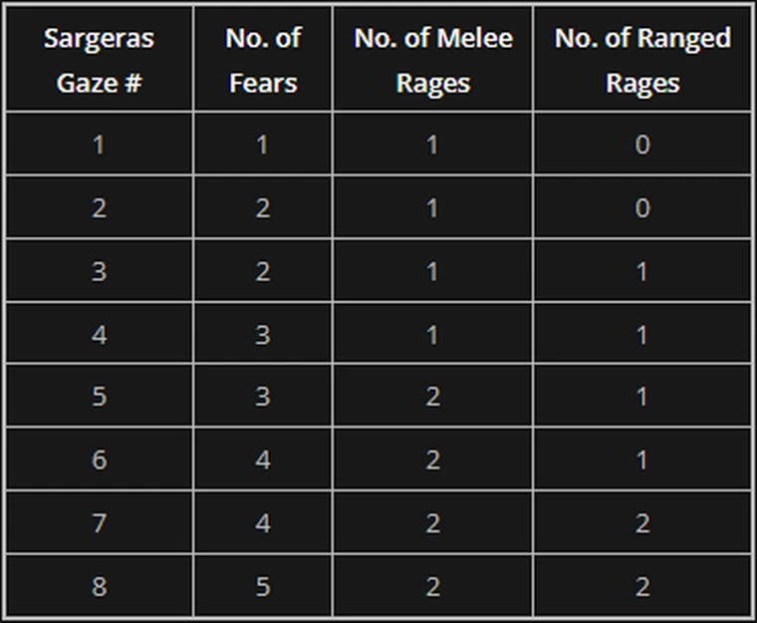
Sargeras rage |  |  | Sargeras rage is a red circle with SPIKED Square, if any player is within the circle that player begins to gain stacks of Unleashed Rage, hard hitting 20 second dot, these debuffs only drop When sargeras gaze is recast and new debuffs are applied to the raid, THIS OCCURS EVERY 30 SECONDS IN P1
Sargeras Fear |  |  | Sargeras Fear places a red circle around the player, if no other player is within the circle the player will gain stacks of Crushing Fear, hard hitting 20 second dot.
Phase 2 (70%-40%) When pahsed ON Mythic, he delays his next Sargeras Gaze, In P2 SARGERAS GAZE IS CASTED EVERY 60 SECONDS INSTEAD OF 30
Golganneth's wrath | This spell clears all the death fog in the room, entire group has to stay in the middle of the room, because ability goes from edges inward. Also nobody can stay in front of the boss besides the tank due to frontal.
Avatar of Agrammar | Current main tank receieves a 1 minute debuff every minute, this increases tank's hp pool by 100% and MS by 40%, while also buffing nearby players with Agrammar's boon
Aggramar's Boon | Causes player to redirect all damage taken to the avatar of aggramar debuffed tank, these 2 abilities are used to deal with Volatile soul
Volatile soul | Each time Argus reaches 100 energy, he places Soulburst debuffs on 2 players and Soulbomb on 1 player, after the first time he starts applying these debuffs every time he reaches 50 energy instead.
Soulburst | Soulburst deals ticking damage over 15 seconds ( every 3 sec) and triggers soulburst detonation which deals damage to entire raid and the player, damage is based on distance up to 45 Yards
Soulburst detonation | link for ability above
Soulbomb | Deals ticking damage over 15 seconds and triggers soulbomb detonation once it expires, soulbomb detonation deals extreme burst of damage to the debuff player as well as to the entire raid, this damage also drops with distance, this can be only soaked with immunity or large damage reduction, or tank with Avatar of aggramar has to stand together with debuffed player to soak
Soulbomb detonation | link for ability above
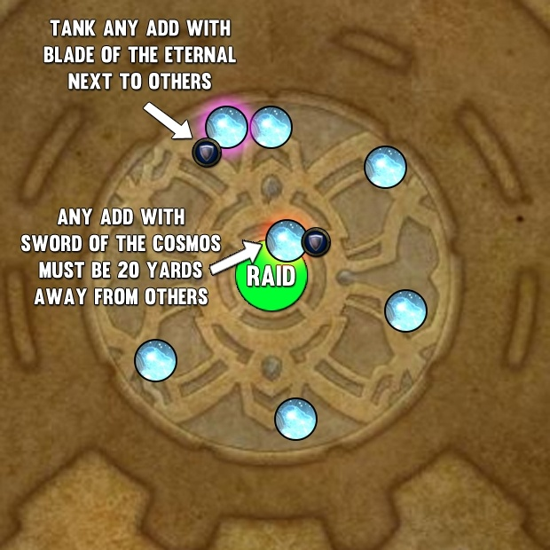
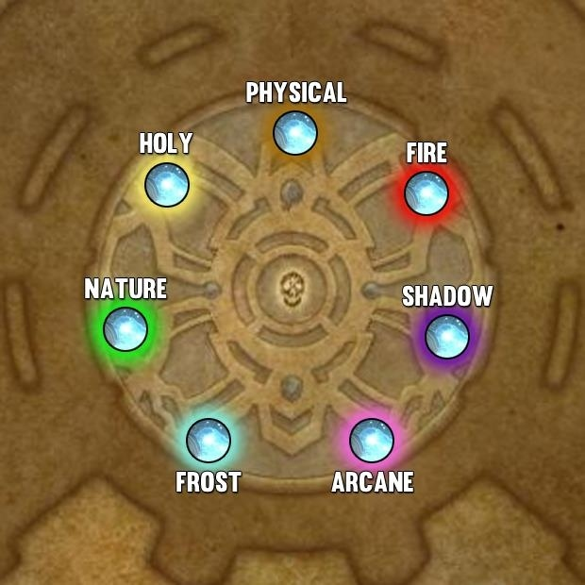
Edge of obliteration | Throughout the phase, scythe spawns in random locations around the encounter area, they hover in place for a moment and start spinning they will then mark a line on the floor and after few seconds shoot down the line, this knocks back, deals damage and applies an 8 second dot to anyone in the path can be removed with BOP
Phase 3 Argus dashes to the middle and becomes unattackable, Amanthul splits Argus into 7 adds (This doesn't Happen ON Mythic)
Mob with Blade of the eternal | This mob needs to be tanked next to others
Mob with Sword of Cosmos | He needs to be tanked in the middle 20yd away from everyone
Constellar Designate adds note | These mobs CANNOT BE Cced, MOVED OR TANKED, only ones that move and tanked are the ones above, all of them have same 3 abilities which are listed below, throughout the phase two randomly selected adds, gain weapons, while they got weapons they don’t cast 3 abilities listed below
Impending Inevitability |  | Once constellar add is interrupted he is immune to interrupts for 20 seconds so players can no longer interrupt Starblast
Cosmic Ray | Marks a palyer and points a beam at them, moment later beam explodes dealing damage to anyone inside
Starblast | Interruptible cast that they constantly cast at RANDOM PLAYERS
Cosmic Beacon | Marks a palyer and after 4 seconds hit them with Cosmic Smash, dealing large burst of damage and applying 6 second dot to entire raid. Only 2 adds at the same time are casting this, if neither are interrupted = raid wipe.
The Discs of Norgannon | 15 Seconds after all adds are spawned Norganon debuffs each add, which makes them take 200% increased damage from each magic school (Frost, Holy, etc.) THIS IS ALWAYS APPLIED IN THE SAME ORDER AND LOCATION OF ADDS NEVER CHANGES, shown on image
Phase 4 (Argus kills all players, removing all their food buffs, augment runes and resetting CD of potions) 40%-0% this is P3 on Mythic and he starts with 60% HP (heals for 20%)
Gift of the lifebinder | When the raid dies, eonar creates the tree which allows players to release the spirit allowing them to mvoe as a ghost, players within spirit world will see many hungering Soul adds which wander around aimlessly, if player touches the add it explodes with Soul detonation which knocks back and slows nearby ghost player by 50%, players need to avoid these adds.
Soul Detonation | Link for ability above
Another Tree Note | Running into the tree while dead, it resurrects the player, however tree's energy bar depletes, once it is loses all energy, players still can use it to resurrect but then a permanent stacking Debuff (Withering Roots) is applied to the tree which damages it and healers can heal the tree, once the tree dies it can no longer be used and won't respawn.
Withering Roots | link for ability above
End of All Things | This is casted while players are dead, they have to rush and resurrect ASAP to interrupt this or the entire raid will die, tanks need to rush to the boss to take aggro.
Orb Timer | On a timer Argus spawns a set of Reorigination module adds that spawn on the edges. |  | replaced by apocalypsis
Initialization Sequence | Ever Growing circle which drains the Orb's health, the longer the orb is alive, the bigger the circle under it. Once its health depletes it casts reorigination Pulse, this circle disappears on NM AND HC |  | replaced by apocalypsis
Reorigination Pulse | This deals flat amount of damage to the raid and near lethal amount of damage to anyone within the circle under the orb. |  | replaced by apocalypsis
Mote of Titanic Power | Reorigination Pulse, leaves these motes in SPIRIT WORLD, ghost players can run over these to absorb them, this gives Khaz goroth energy, once khaz goroth has at least 20 energy he will channel Titanforging which buffs the raid with titanforged, increasing their damage, healing and movemeent speed.
Titanforging | Ability channeled by khazgoroth at 20 energy
Titanforged | Buff which increases player's movement speed damage and healing
Deadly Scythe | Replaces Sweeping Scythe, deals same damage but now applies a debuff that increases damage taken by 200% and no longer expires. This means tanks eventually will die, however debuff is removed upon death. So they should take as many stacks as possible, when dead they need to pick up Motes of titanic power. |  | Replaced by soulrending scythe
Volatile Soul | Still occurs in this phase and should be deal the same way as in second, applies 2 soulbursts at 50 energy and 1 soulbomb at 100.
Ember of Rage | Blue swirlies fall to the platform, players standing in it take large amount of damage + permanent dot is applied onto them.
Apocalypsis Module |  |  | 1 module will spawn on a timer on a single NON TANK NON SARGERAS RAGE debuffed player. These Modules increase in Size the longer they are alive, whilst slowly depleting their own HP, however the area does not despawn once the apocalypsis module Dies
Apocalypsis Zone |  |  | This Acts as a pseudo Enrage, kills any player that stands within it very quickly.
Sentence of Sargeras |  |  | On a timer two players will receive a 30 second debuff, this deals ticking damage over its 30 second duration. Once debuff expires or Is removed entire raid receives a nasty 10 second dot called Shattered Bonds
Shattered Bonds |  |  | This dot can stack if multiple chains are broken within 10 seconds of one another. You can remove the debuff by moving over 40yd away from where you originally received it, they come in every 60 seconds and healing cooldowns are needed for every set. DOT TICKS EVERY 2 SEC This can be applied to any player no matter if they got Sargeras gaze debuff or not. This can be broken by spells such as feign death vanish and invisibility. IMMUNITIES DO NOT WORK
Edge of annihilation |  |  | These blades begin to spin covering one half of the room, shortly after new set appears on dirrect opposite side, the first set will then shoot across firing between the second set of blades, then second set will spin and fire out. You counter it by standing on top of the ones that are firing second.
Soulrending Scythe |  |  | Replaces soulsweeping scythe, damage taken is increased by 200% instead of 250%, debuff is permanent but now also spawns Rent Soul Orbs, each time tank is hit a single rent soul orb will spawn PER stack of the debuff tank has. Example Being: Tank gets hit second time and his second debuff is applied, rent soul spawns 2 orbs etc.
Rent Soul Orbs |  |  | Rent soul Orbs spawn randomly throughout the room and begin to fixate a random player, once they explode they deal near lethal damage, they need to be soaked by the tank asap, they also deal splash damage in 2yd radius.

